salary ordering
List of salary per person

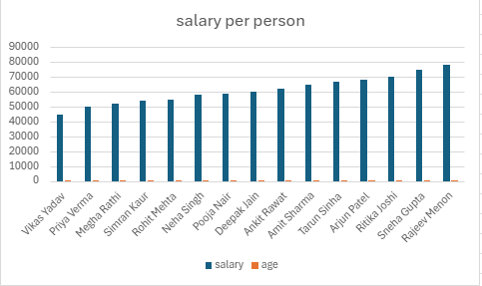
employeename | salary | age
Vikas Yadav | 45000 | 27
Priya Verma | 50000 | 32
Megha Rathi | 52000 | 30
Simran Kaur | 54000 | 28
Rohit Mehta | 55000 | 30
Neha Singh | 58000 | 29
Pooja Nair | 59000 | 29
Deepak Jain | 60000 | 25
Ankit Rawat | 62000 | 26
Amit Sharma | 65000 | 28
Tarun Sinha | 67000 | 34
Arjun Patel | 68000 | 33
Ritika Joshi | 70000 | 31
Sneha Gupta | 75000 | 35
Rajeev Menon | 78000 | 40

